il dapi processing
Filename | Value_B2
1CA_IL_2-1L | 2944 | 2690.25 | 1CA
1CA_IL_2-1R | 2870
1CA_IL_2-2L | 2467 |  |  |  | il uniq csv | not good…
1CA_IL_2-2R | 2480 |  |  | REPLACED: | Filename | Value_B2 | Redone | Classifier used:
1CB_IL_1A_2-3L | 2571 | 2600 | 1CB |  | Results_3CF_IL_1-2L_PrintToExcel.xlsx | 323 | 806 | 3cf_il_1-2L
1CB_IL_1A_2-3R | 2695 |  |  |  | Results_3CF_IL_1-2R_PrintToExcel.xlsx | 123 | 1459 | 3cf_il_1-2L
1CB_IL_1B_2-2L_Z | 2387 |  |  |  | Results_4CI_1_IL_2-2R_1P98_PrintToExcel.xlsx | 368 | 1995 | 3cf_il_1-2L
1CB_IL_1B_2-3L_Z | 2747
1CC_IL_1-5L | 2780 | 3016.75 | 1CC |  |  |  | Cell Count settings:
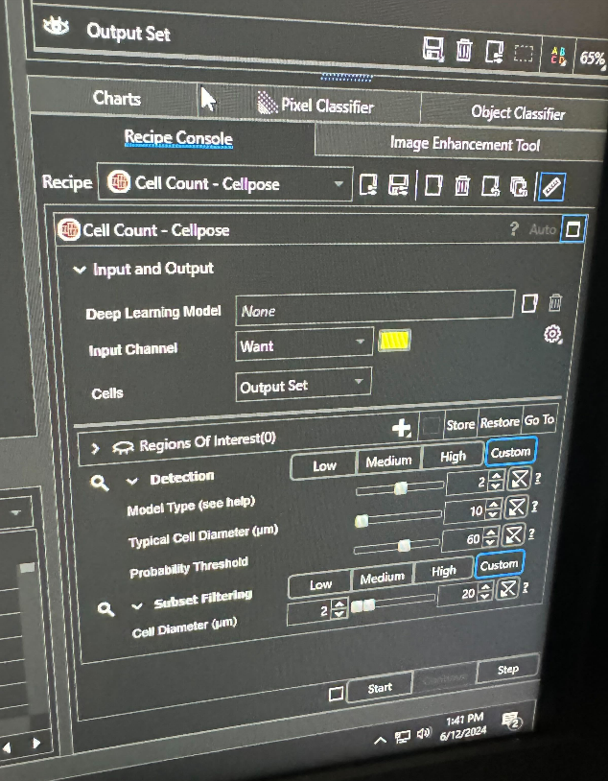
1CC_IL_1-5R | 3383
1CC_IL_1-6L | 3173
1CC_IL_1-6R | 2731
1CE_IL_2-6L | 2425 | 1868.3333333 | 1CE
1CE_IL_3-1L | 1484
1CE_IL_3-1R | 1696
1CF_IL_2-4L | 3222 | 3167 | 1CF
1CF_IL_2-4R | 3102
1CF_IL_2-5L | 3037
1CF_IL_2-5R | 3307
1CI_IL_2-2L | 2248 | 2153.5 | 1CI
1CI_IL_2-2R | 2252
1CI_IL_2-3L | 2165
1CI_IL_2-3R | 1949
1CJ_1_IL_1-5L_000 | 2634 | 2757 | 1CJ
1CJ_1_IL_1-6L_000 | 2880
2CA_IL_2-1L | 2071 | 2222.25 | 2CA
2CA_IL_2-1R | 2128
2CA_IL_2-3L | 2471
2CA_IL_2-3R | 2219
2CC_IL-2-1R | 2686 | 2728.25 | 2CC
2CC_IL_2-1L | 2505
2CC_IL_2-2L | 2740
2CC_IL_2-2R | 2982
2CD_IL_1-5R | 2513 | 2613 | 2CD
2CD_IL_1-6L | 2474
2CD_IL_2-1L | 2852
2CG_IL_2-2L | 2707 | 2683.75 | 2CG
2CG_IL_2-2R | 2628
2CG_IL_2-3L | 2769
2CG_IL_2-3R | 2631
2CH_IL_2-1L | 2786 | 2683.75 | 2CH
2CH_IL_2-1R | 2742
2CH_IL_2-2L | 2545
2CH_IL_2-2R | 2662
3CA_IL_2-3L | 2671 | 2800.25 | 3CA
3CA_IL_2-3R | 2660
3CA_IL_2-4L | 2914
3CA_IL_2-4R | 2956
3CB_IL2-1R | 2318 | 2378 | 3CB
3CB_IL_1-6L | 2498
3CB_IL_1-6R | 2284
3CB_IL_2-1L | 2412
3CD_GM_IL_1-6L | 2322 | 7702 | 3CD
3CD_GM_IL_2-1L | 9452
3CD_GM_IL_2-2R | 11332
3CE_1B_IL_2-2L | 2578 | 2391.5 | 3CE
3CE_1B_IL_2-2R | 2474
3CE_IL_2-3L | 2276
3CE_IL_2-3R | 2238
3CF_IL_1-2L | 806 | 1809.25 | 3CF
3CF_IL_1-2R | 1459
3CF_IL_1-3L | 2342
3CF_IL_1-3R | 2630
3CH_IL_2-1R | 2579 | 2637.5 | 3CH
3CH_IL_2-3L | 2696
4CA_B1_IL_2-3L | 2978 | 3790.8 | 4CA
4CA_B1_IL_2-3R | 8091
4CA_IL_2-3L | 2519
4CA_IL_2-4L | 2628
4CA_IL_2-4R | 2738
4CE_IL_1-5L | 2792 | 2680.6 | 4CE
4CE_IL_1-6L | 2851
4CE_IL_2-1L | 2468
4CE_IL_2-1R | 2638
4CE_IL_2-2R | 2654
4CF_IL_2-1L_1p78 | 2405 | 2323.25 | 4CF
4CF_IL_2-1R_1p78 | 2344
4CF_IL_2-2R_1p94 | 2269
4CF_IL_2-3L_1p70 | 2275
4CG_IL_2-2L | 2566 | 2467.5 | 4CG
4CG_IL_2-2R | 2331
4CG_IL_2-3L | 2506
4CG_IL_2-3R | 2467
4CH_IL_2-2L | 2228 | 2478.75 | 4CH
4CH_IL_2-2R | 2593
4CH_IL_2-3L | 2722
4CH_IL_2-3R | 2372
4CI_1_IL_2-2R_1P98 | 1995 | 2512.6666667 | 4CI
4CI_1_IL_2-3L_1P78 | 2857
4CI_1_IL_2-4R_1P42 | 2686
4CJ_1_IL_2-4L_1P42 | 3009 | 3009 | 4CJ
5CA_IL_2-6L | 2487 | 2510.25 | 5CA
5CA_IL_2-6R | 2406
5CA_IL_3-1L | 2324
5CA_IL_3-1R | 2824
5CE_IL_3-1R | 2285 | 2289 | 5CE
5CE_IL_3-2L | 2293
Results_1CG_1A_r2_s2_IL_left_1-70brg_zmax_PrintToExcel.xlsx | 2896 | 3278.25
Results_1CG_1A_r2_s2_IL_right_1-70brg_zmax_PrintToExcel.xlsx | 3496
Results_IL 1CG_1A_r2_s3_IL_left_1-54brg_zmax_PrintToExcel.xlsx | 3548
Results_IL 1CG_1A_r2_s3_IL_right_1-54brg_z_max_PrintToExcel.xlsx | 3173
Results_1CH_1A_r2_s1_IL_left_1p42brg_zmax_PrintToExcel.xlsx | 2807 | 2832.5
Results_1CH_1A_r2_s1_IL_right_1p42brg_zmax_PrintToExcel.xlsx | 2858
Results_2CJ_IL_2-2-L_ZMAXPRJ_PrintToExcel.xlsx | 3874 | 2368.5
Results_2CJ_IL_2-2-R_ZMAXPRJ_PrintToExcel.xlsx | 863
Results_2CB_IL_2_3L_PrintToExcel.xlsx | 2801 | 2734.75
Results_2CB_IL_3_3R_PrintToExcel.xlsx | 2753
Results_2CB_IL_3_4L_PrintToExcel.xlsx | 2514
Results_2CB_IL_3_4R_PrintToExcel.xlsx | 2871
Results_2CE_B1_IL_3-1R_PrintToExcel.xlsx | 3101 | 3101

